Approved Copy
Online Learning at Concordia University

Concordia University offers one year Master of Education programs that can help you take the next step in your career. Our accelerated online classes are five weeks in length and are designed to help you develop new strategies for your classroom in addition to expanding your knowledge as an educator. Through our program format, you will not only study and grow with student piers just like yourself, but you will be able to do so in the comfort of your own home and at your convenience. Concordia is dedicated to providing its students with the tools necessary to enhance individual teaching and leadership skills, as well as promote an inclusive learning environment that fosters discussion and stimulates intellectual rigor. Scholarships, grants and other forms of financial aid may also be available to help students with their tuition. To find out if you qualify and to learn more about our programs, simply submit your information now.

Why choose Concordia University?

Concordia University's Online Programs Can Help You:

· Get your master’s degree in one year
· Further your education on your schedule, from the comfort of your home
· A master's degree could mean an automatic salary increase in your school district
· Use research-based best practices to have a more powerful impact on education
· Further your education through affordable financial aid and competitive tuition

Accreditation:
Concordia University is accredited by the Northwest Commission on Colleges and Universities, is affiliated with the Lutheran Church-Missouri Synod, and is a member of the Concordia University System.

Request Free Information
With a degree from Concordia University, you will learn to develop your leadership role in the classroom, school, community and profession as a whole. Complete this form now to learn more about our online degrees.

Style and Logo
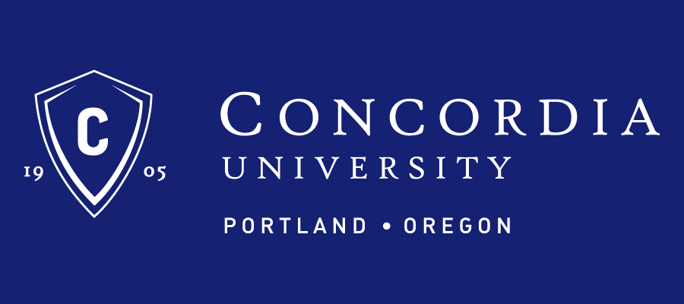
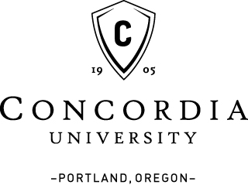
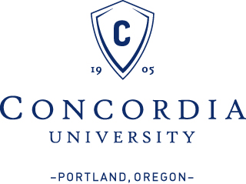
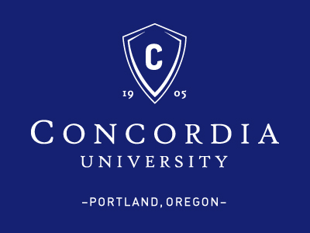
Style guidelines:
· Approved fonts: Georgia
· Approved color: #152172

Approved Logos:

