Colors
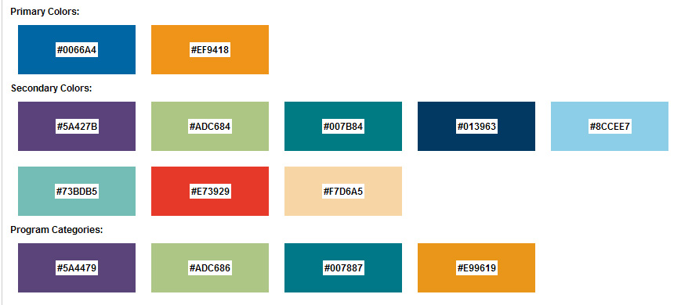
EVEREST UNIVERSITY ONLINE

Sample Form
