Representative
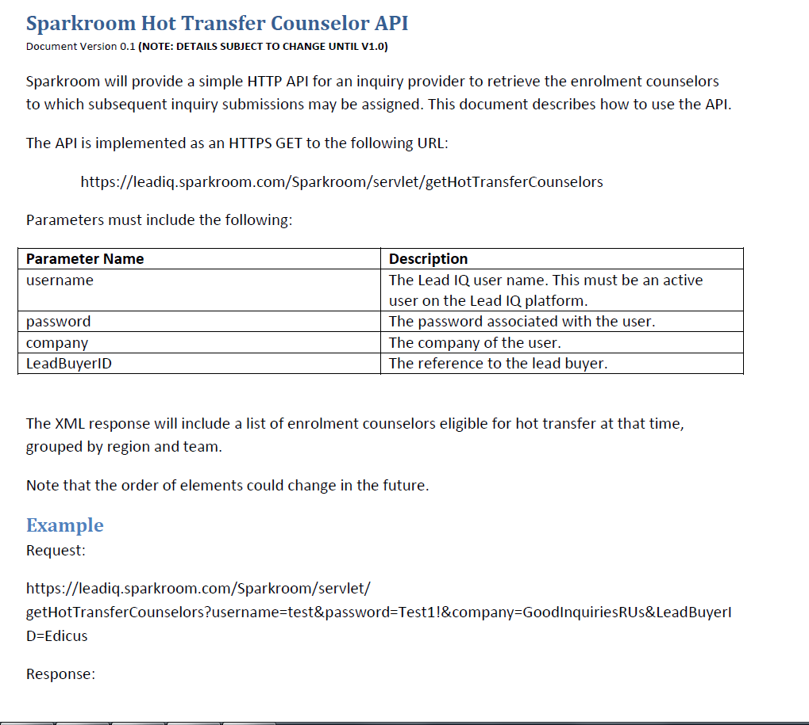
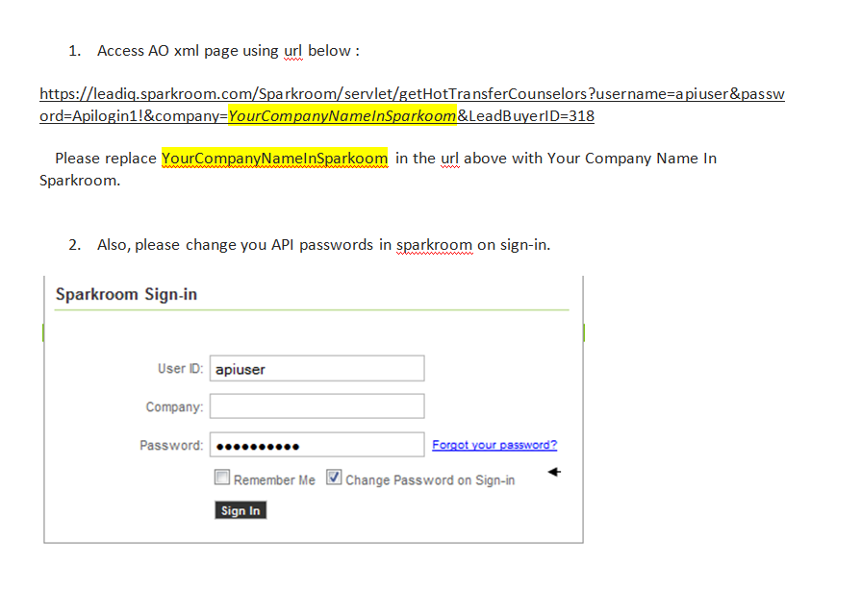
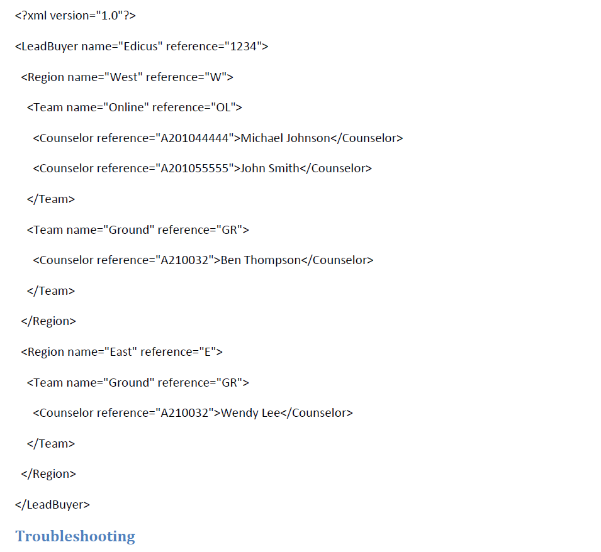
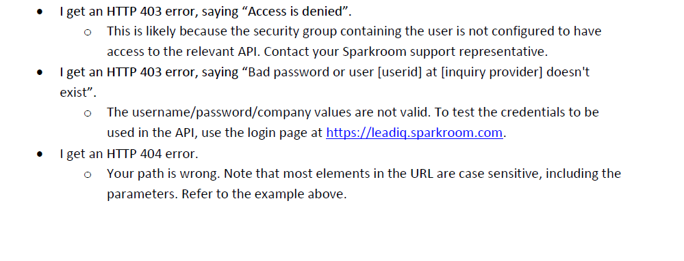
Representative: | ONLY TO BE SENT BY SELECT VENDORS ONLY

 |  | Here is the hot transfer API link for Rising Results:
Please See Strayer University's API Instructions. |  | https://leadiq.sparkroom.com/Sparkroom/servlet/getHotTransferCounselors?username=apiuser&password=1Welcome!&company=Rising%20Results&LeadBuyerID=318

