LegalMandates_Logo
By checking the box and submitting this form, I am giving Allen School consent to contact me about education services via mail, email, phone and/or text at the contact information provided above, including calls and texts to my wireless number using an automated dialing system and prerecorded messages. I understand that consent is not a condition of purchase.

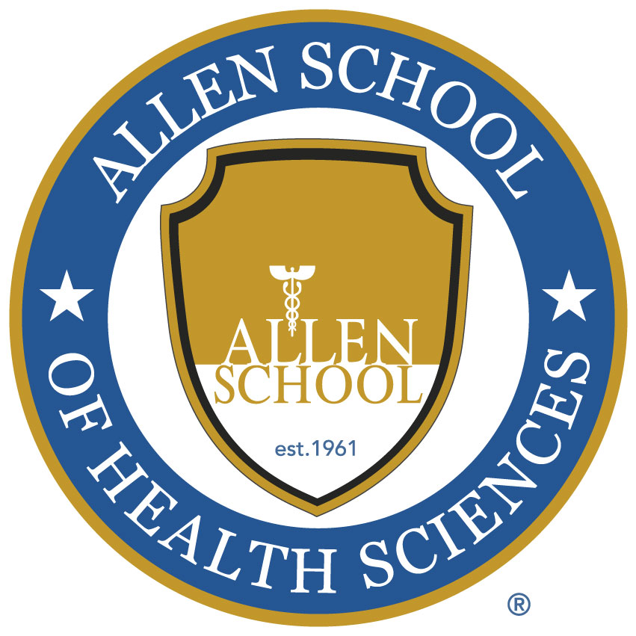

Allen School of Health Sciences (use for all campuses) | Gainful Employment Disclosure | For more information about graduation rates, the median debt of students who completed the program, and other important information, please click here.

Allen School of Health Sciences (use for all campuses) | Accreditation | Allen School of Health Sciences is licensed by the Arizona State Board for Private Post Secondary Education, the New York State Department of Education, the New York State Department of Education Bureau of Proprietary School Supervision, and nationally accredited by the Commission of the Council on Occupational Education.

