LeadiD Info
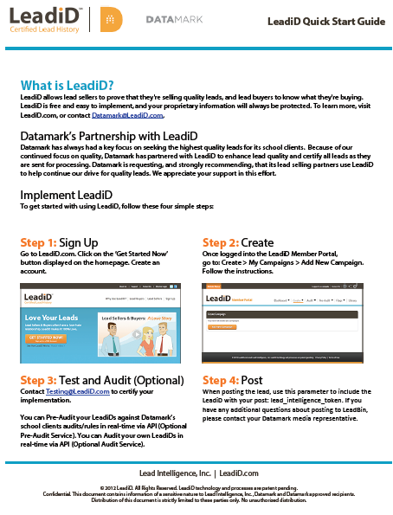
LeadiD is free, easy to implement, does not store any personally identifiable information, and protects all of your proprietary data and marketing assets.

Below is the Getting Started Guide which includes information on how to implement LeadiD and continue to post your leads to LeadBin along with a LeadiD into the lead_intelligence_token field.

Please follow the simple process to implement LeadiD on your lead forms and in your call centers. If you are new to LeadiD we suggest you watch their short video at http://leadid.com.

Please feel free to contact LeadiD regarding implementation questions at: Datamark@LeadiD.com, or you can contact a Datamark Media Buyer if you have any questions. We are happy to facilitate joint conference calls with you and LeadiD as required.

School Info
School Information | Ameritech College

Campus | Address | City | State | Zip | Campus Description | Campus Code
Draper | 12257 Business Park Drive Building 6 Suite 108 | Draper | Utah | 84020 |  | AME0004
Provo | 2035 North 550 West | Provo | Utah | 84604 |  | AME0033
Online | 12257 Business Park Drive Building 6 Suite 225 | Draper | Utah | 84020 |  | AME0029
Static Disclaimer Statement:

School Landing Page:
www.ameritech.edu

Main Start Dates:

BSN, MA:
January
March
May
July
September
October

RN, DLT:
January
May
September

Accreditation Statement
AmeriTech College is institutionally accredited by The Accrediting Bureau of Health Education Schools (ABHES) ABHES is listed by the U.S. Department of Education as a nationally-recognized accrediting agency under the provision of Chapter 33, Title 38 of the U.S. Code and subsequent legislation. ABHES provides AmeriTech College institutional accreditation for the delivery of diploma, Associate of Applied Science Degree and Baccalaureate level degree programs.
Accrediting Bureau of Health Education Schools (ABHES)
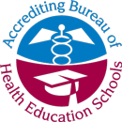

7777 Leesburg Pike, Suite 314 N.
Falls Church, Virginia 22043
(703) 917-9503
www.abhes.org

PROGRAMMATIC ACCREDITATIONS
The following programmatic accreditations apply to degree and diploma programs as delivered by AmeriTech College.

NURSING – ASSOCIATE OF APPLIED SCIENCE DEGREE PROGRAM
AmeriTech College’s Associate of Applied Science Nursing program has been granted programmatic accreditation from the Accrediting Commission for Education in Nursing, Inc. (ACEN) formerly (NLNAC).
Accrediting Commission for Education in Nursing, Inc.
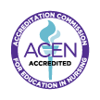

3343 Peachtree Road NE, Suite 850
Atlanta, GA 30326
(404) 975-5000 Voice
(404) 975-5020 Fax
www.acenursing.org

NURSING – REGISTERED NURSE TO BACHELOR OF SCIENCE IN NURSING DEGREE COMPLETION PROGRAM
AmeriTech College’s Online RN- BSN Degree Completion program is pursuing programmatic accreditation by the Accreditation Commission for Education in Nursing, Inc. (ACEN) formerly (NLNAC). AmeriTech College RN- BSN Degree Completion Program has received Candidacy on November 25, 2013 with ACEN.
Accrediting Commission for Education in Nursing, Inc.
3343 Peachtree Road NE, Suite 850
Atlanta, GA 30326
(404) 975-5000 Voice
(404) 975-5020 Fax
www.acenursing.org

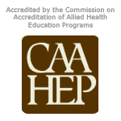
SURGICAL TECHNOLOGIST
The Commission on Accreditation of Allied Health Education Programs (CAAHEP) accredits the Surgical Technologist Program.
Commission on Accreditation of Allied Health Education Programs (CAAHEP)

35 East Wacker Drive, Suite 1970
Chicago, IL 60601-2208
(312) 553-9355 Voice
(312) 553-9616 Fax
www.caahep.org
Additionally the Surgical Technologist is also programmatically accredited by The Accrediting Bureau of Health Education Schools (ABHES).

Accrediting Bureau of Health Education Schools (ABHES)

7777 Leesburg Pike, Suite 314 N.
Falls Church, Virginia 22043
(703) 917-9503
www.abhes.org

APPROVALS AND MEMBERSHIPS
NURSING
The Nursing Program has been granted approval by the Utah State Department of Commerce, Division of Occupational and Professional Licensing, Utah State Board of Nursing, which will qualify graduates of the program for appropriate testing for Utah State Licensure as Registered Nurses.

Utah State Board of Nursing

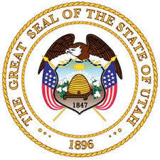

Heber M. Wells Bldg., 4th Floor
160 East 300 South
Salt Lake City, UT 84111
(801) 530-6628
www.dopl.utah.gov/licensing/nursing.html

DENTAL LABORATORY TECHNICIAN

Graduates of the Dental Laboratory Technician Program are prepared for the Crown and Bridge, and Ceramic portions of the Recognized Graduate (RG) test offered by the National Board for Certification of the National
Association of Dental Laboratories (NADL).
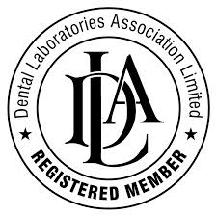

National Board for Certification
1530 Metropolitan Boulevard
Tallahassee, FL 32308
(800) 684-5310
www.nadl.org

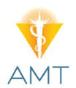
HEALTHCARE OFFICE SPECIALIST
Graduates from the Healthcare Office Specialist Program may sit for the Certified Medical Administrative Specialist (CMAS) credential offered by the American Medical Technologist (AMT). Graduates may also sit for the Certified Professional Coder (CPC) or Certified Professional Coder-Hospital (CPC-H) exams offered by theAmerican Academy of Professional Coders.
American Medical Technologists

710 Higgins Road
Park Ridge, IL 60068
(847) 823-5169 or (800) 275-1268
(847) 823-0458 Fax
www.amt1.com

American Academy of Professional Coders


309 West 700 South
Salt Lake City, Utah 84101
(800) 626-2633
(801) 236-2258 Fax
www.aapc.com

