Vendor Exceptions
Affiliate | School | Exception Copy/URL
Career Now Pages | All | Missing the field “select a location” & “Highest level of Education”
Career Now Pages | All | Highest Level of Ed, Program of Interest, and Campus/Select location are bypassed fields for this vendor
DMS | Brightwood Career Institute | 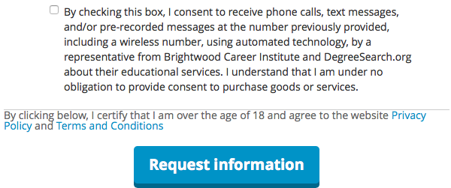
DMS | Brightwood College | By checking this box, I consent to receive phone calls, text messages, and/or pre-recorded messages at the number previously provided, including a wireless number, using automated technology, by a representative from Brightwood College and DegreeSearch.org about their educational services. I understand that I am under no obligation to provide consent to purchase goods or services.*
Campus Explorer | All | 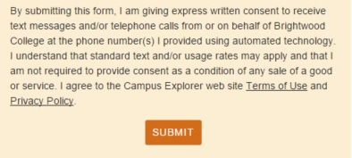
TriAd Media | All | I hereby consent to be contacted about educational opportunities by [Brand Name] via email, phone and/or text, including my wireless number if provided, using auto-dialing technology and/or pre-recorded messages. I understand that consent is not a condition of purchase.

