NOTES
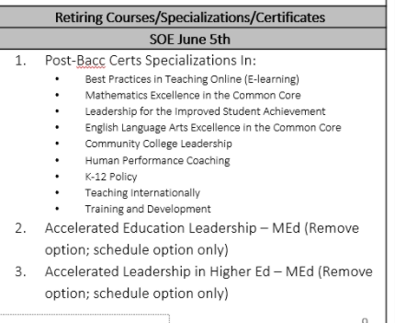
NOTES
 | Remove:
 | MED - Accelerated Education Leadership
 | MED - Accelerated Leadership in Higher Education

 | MAPSY - Health Psychology
 | MAPSY - Industrial/Organizational Psychology

