Copy
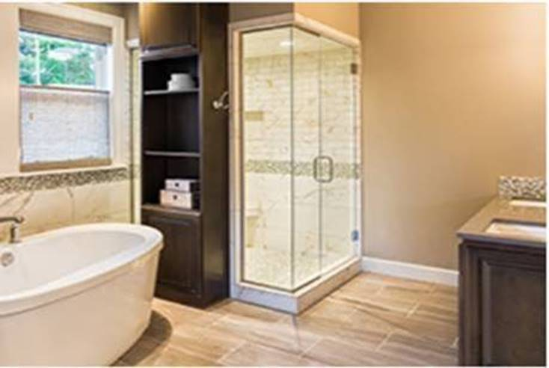
Request Your Bathroom Remodeling Estimates
Submit your information for free quotes from local Bathroom Remodeling experts who will work with you to fully understand the scope of your project.

All contractors are pre-screened, insured and highly rated by previous homeowners.

